Sheet1

Quick Commerce Data analysis


Blinkit Avg
Rating
2.99
Swiggy Instamart
Avg Rating
3.02
Zepto Avg
Rating
3.01
BlinkitAvg Delivery time
34.65
Swiggy Instamart
Avg delivery time
35.12
Zepto Avg dielivery time
35.06

Avg Customer service rate
 | Total
Blinkit | 3.01
Swiggy Instamart | 2.96
Zepto | 2.94
Order Distribution by Price range and Brands
 | High | Low | Medium
Blinkit | 436 | 416 | 420
Swiggy Instamart | 415 | 416 | 391
Zepto | 407 | 431 | 444
N0. of orders where Discount provided by Brands
 | Total
Blinkit | 637
Swiggy Instamart | 647
Zepto | 650

Order Accuracy of Brands
 | Correct | Incorrect
Blinkit | 638 | 634
Swiggy Instamart | 610 | 612
Zepto | 669 | 613
Market Shares of Brands
 | Total
Blinkit | 1272
Swiggy Instamart | 1222
Zepto | 1282

Sheet3
Swiggy Instamart Dashboard

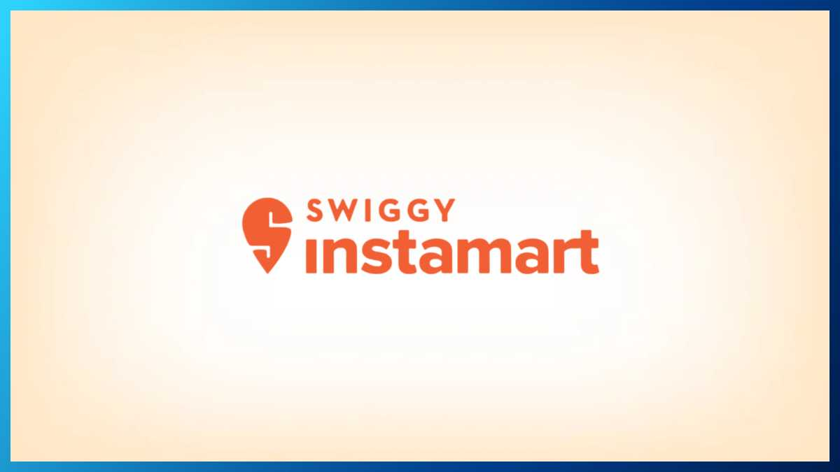

Total NO. of orders :-
Total Sales :-
Avg. Warehouse Capacity :-
Number of Stores :-
Avg. DeliveryTime :-

841
1186552.46
16520
25
20.52

Category wise Sales
 | Total
Baby Care | 30898.54
Bakery & Biscuits | 93910.98
Breakfast & Cereals | 23964.69
Cleaning Essentials | 176122.24
Dairy & Bread | 96132.45
Fruits & Vegetables | 168497.67
Instant & Frozen Food | 41393.96
Masalas & Spices | 29913.64
Personal Care | 142541.46
Pet Care | 21064.97
Snacks & Beverages | 209037.48
Staples | 153074.38
State wise Sales
 | Total
Delhi | 37833.61
Gujarat | 16973.99
Haryana | 129253.41
Karnataka | 87273.41
Maharashtra | 187750.15
Tamil Nadu | 13803.63
Telangana | 99140.53
Uttar Pradesh | 18746.41
West Bengal | 47798.62

Warehouse capacity per State
 | Total
Delhi | 13000
Gujarat | 15000
Haryana | 66000
Karnataka | 66000
Maharashtra | 144000
Tamil Nadu | 14000
Telangana | 67000
Uttar Pradesh | 16000
West Bengal | 12000

Sheet5


blinkit Dashboard

Avg.rating of store
Total Sales
Total sales of Items which contain Low fat
Total sales of items which contain regular fat

3.92
1201681.5
732462.58
409413.12

Outletwise Sales
 | Total
Grocery Store | 151939.149
Supermarket Type1 | 787549.8928
Supermarket Type2 | 131477.7764
Supermarket Type3 | 130714.6746
Outlet sizewise Sales
 | Total
High | 3.91
Medium | 3.93
Small | 3.92
 | Total
Baking Goods | 81894.7364
Breads | 35379.1198
Breakfast | 15596.6966
Canned | 90706.729
Dairy | 101276.4616
Frozen Foods | 118558.8814
Fruits and Vegetables | 178124.081
Hard Drinks | 29334.6806
Health and Hygiene | 68025.8388
Household | 135976.5254
Meat | 59449.8638
Others | 22451.8916
Seafood | 9077.87
Snack Foods | 175433.9224
Soft Drinks | 58514.167
Starchy Foods | 21880.0274

No. of stores created per year
 | Total
2011 | 555
2012 | 930
2014 | 932
2015 | 929
2016 | 930
2017 | 930
2018 | 1463
2020 | 926
2022 | 928
Years wise Sales
 | Total
2011 | 78131.5666
2012 | 130476.8598
2014 | 131809.0156
2015 | 130942.7802
2016 | 132113.3698
2017 | 133103.907
2018 | 204522.257
2020 | 129103.9604
2022 | 131477.7764

Sheet7


ZEPTO Dashboard

Total Revenue
Total orders
Total Discount on Products
Sum of Current price of Product
Sum of original Price of Product

1475
35760
33560
5783351
50446

Total revenue of Products
 | Total
Aashirvaad Atta | 497163
Amul Milk 500ml | 579648
Britannia Cake | 520490
Coca Cola 1L | 714681
Fortune Oil 1L | 458190
Maggi Noodles | 661477
Nestle Munch | 647424
Oreo Biscuits | 533104
Parle-G | 658853
Pepsi 500ml | 512321
Product wise Sales
 | Total
Aashirvaad Atta | 150
Amul Milk 500ml | 155
Britannia Cake | 130
Coca Cola 1L | 160
Fortune Oil 1L | 120
Maggi Noodles | 165
Nestle Munch | 180
Oreo Biscuits | 105
Parle-G | 165
Pepsi 500ml | 145
Product's original Price and Current price
 | Sum of Original Price | Sum of Current Price
Aashirvaad Atta | 2856 | 3106
Amul Milk 500ml | 3303 | 3493
Britannia Cake | 3017 | 3202
Coca Cola 1L | 3991 | 4246
Fortune Oil 1L | 2578 | 2783
Maggi Noodles | 3958 | 4243
Nestle Munch | 3846 | 4051
Oreo Biscuits | 2582 | 2762
Parle-G | 3787 | 4032
Pepsi 500ml | 3642 | 3842

Citywise Total revenue
 | Total
Bangalore | 1019724
Chennai | 834726
Delhi | 884943
Hyderabad | 1250930
Mumbai | 799190
Pune | 993838
Category wise revenue
 | Total
Beverages | 1227002
Confectionery | 647424
Dairy | 579648
Grocery | 955353
Instant Food | 661477
Snacks | 1712447

